Figure 8 GHCC data sources & pr
Data identification and extraction | Database creation | Update unit cost data study | Data analysis | Costing Tool | Elements of Costing Tool

Existing databases (in Excel)
(Avenir, UW, LSHTM)
Unit Cost Study Repository
(Product #3)
Database of consistent results of individual studies. Web interface allows users to select programs similar to those they are implementing. Includes cost category breakdown and differences by program features, if reported within a study. Adjusted to current prices for inputs. No gaps filled.
Costing Tool
(Product #4 - biggest/deliverable)
Best estimates in current $ for full economic costs, by input category (eg personnel), for program specifications (intervention, service delivery model, scale, location, ? populations, etc).
Each data point characterized by level of extrapolation required (e.g., empirical vs. modeled)
Dynamic: User can view and replace default values.
Calculations: Driven by analyses and resulting equations and cost functions.
4a. Database of cost estimates
Back-end: Combination (TBD) of database and equations; results will be empirically-based and modeled estimates, by intervention / location / delivery model / etc, with costs by category, activity, including ranges
Front-end: A combination of displays (TBD), perhaps similar to current Avenir interface, potentially allowing for dynamic adjustment e.g., for user-specified prices and resource needs.

Literature searches

Comprehensive, up-to-date, re-structured db, published data - no cleaning or processing (Product #1, available in Excel)

4b. Visualizations
Costs by input category, program activity, geographic location, delivery model, scope, etc. Totals for specified program configurations (e.g., scale, % urban, % tertiary facilities), by cost perspective (e.g,. health system, patient). User can adjust inputs to get new results. Results will be displayed in maps, bar charts, split screen comparisons, etc.
Exclusion/Inclusion Quality scores

Data obtainment

Analyses: Static-Unit cost estimations: extrapolate, fill gaps (eg omitted costs)
Dynamic-Estimation of cost curves and functions: quantify efficiency effects of program features and context

Raw cost study data
Combined raw facility and patient data from studies, anonymized, if permitted
(Product #2, available in Excel or Stata on dataverse)

Data import
Standardize format (STATA, SPSS, R, etc.)
Homogenize variables
Database dimension
Cleaning databases
Merge/Append Databases

Figure 10- Data obtainment
Develop data obtainment protocol

Systematic literature review
Expert opinion
Contact organizer, request timeslot and list of attendees
Identify attendees of interest
Draft and send invitation
Plan A
Plan B
Plan C

ID list of target attendees

Develop ideal format for data collection and methods for importing and storing data
Conference preparation
Conference preparation
Draft, send email invite

Plan conference
Send email with details
Execute conference session
Hold GHCC conference
Develop MOU
Pilot with ORPHEA project staff, friends, colleagues
Call interested researchers

Did we reach at least one top researcher?
No
Did we reach at least one top researcher?
No

No
Did we convince authors to share data?
Did we convince authors to share data?
No data acquired
Did we convince authors to share data?
No data acquired

Flowchart 21 June

Complete MOU

Acquire Raw Data

Figure 9 quality study
HIGH QUALITY SELECTED STUDIES FOR GHCC (RAW) DATABASE
Search terms in PubMed
Geographic terms
Economic terms
Disease terms

lower-middle-, upper-middle-income countries
have cost data (detailed methods and cost data)
English articles
original unit cost data
clear about the currency and year used for presented data
Inclusion and exclusion criteria

Costing Approach
Measurement of time allocation
Cost Included
Sample
Prospective
Quality of reporting the results
Quality criteria

High quality selected studies

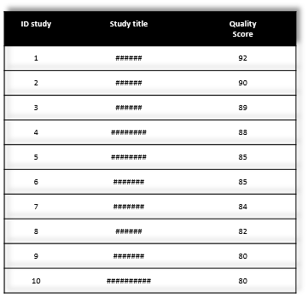
Score studies
Flowchart 21 June

